Sheet1
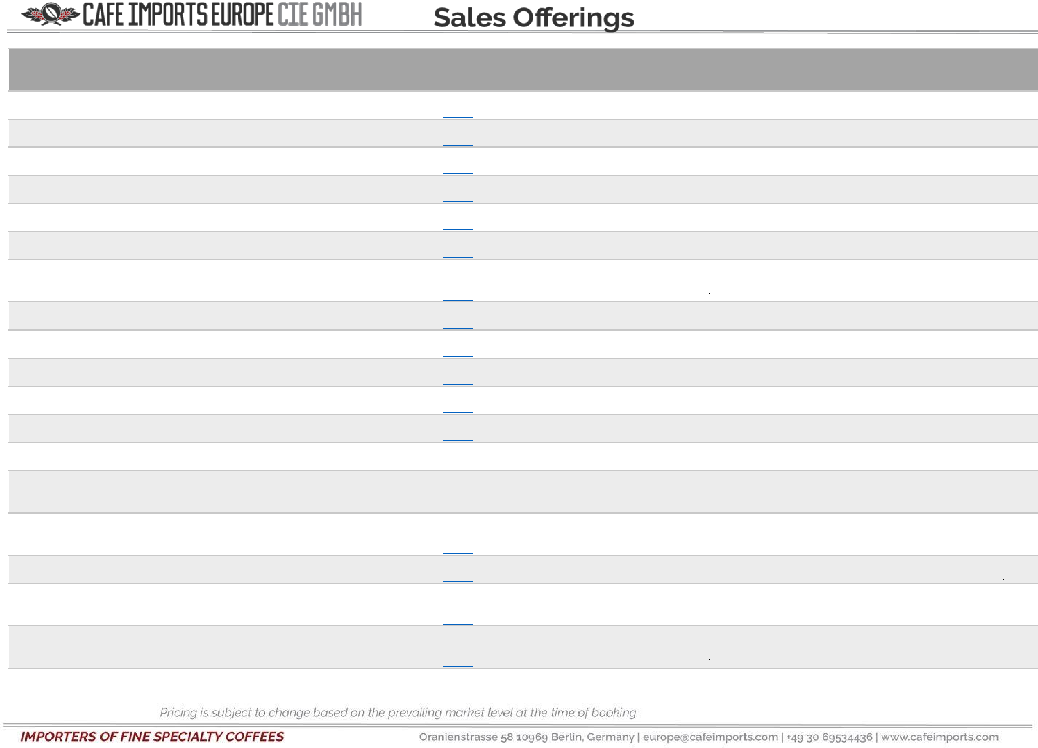

Origin | Grade | Name | Process | ID | Approx Approx Bags Bag USD/ kg EUR/kg GBP/kg Available Weight
Ethiopia | Organic Washed Limu | Tega & Tula Farm - Wushwush - Grade 1 - (CBC ET-BIO- 149) (GrainPro) | Washed | 15511 | $008 | €6.70 | £006 | 65 | 60 Kg
Ethiopia | Organic Washed Limu | Tega & Tula Farm - Dosha - Grade 1 - (CBC ET-BIO-149) (GrainPro) | Washed | 15517 | $008 | €6.70 | £006 | 48 | 60 Kg
Ethiopia | Organic Washed Limu | Tega & Tula Farm - Gera A - Grade 1 - (CBC ET-BIO- 149) (GrainPro) | Washed | 15523 | $008 | €6.70 | £006 | 55 | 60 Kg
Ethiopia | Washed Guji | Wolichu Wachu - Grade 1 (GrainPro) (2019 Harvest) | Washed | 13707 | $007 | €005 | £005 | 13 | 60 Kg
Ethiopia | Washed Guji | Grade 1 - Arsosala (GrainPro) | Washed | 15369 | $10.30 | €008 | £008 | 42 | 60 Kg
Ethiopia | Washed Guji | Grade 1 - Uraga (GrainPro) | Washed | 15366 | $10.30 | €008 | £008 | 66 | 60 Kg
Ethiopia | Washed Yirgacheffe | Halo Beriti - Grade 1 - Special Preparation (GrainPro) (2019 Harvest) | Washed | 13890 | $007 | €005 | £005 | 23 | 60 Kg
Ethiopia | Washed Yirgacheffe | Grade 1 - Worka (GrainPro) | Washed | 15360 | $10.30 | €008 | £008 | 29 | 60 Kg
Ethiopia | Washed Yirgacheffe | Grade 1 - Halo Beriti (GrainPro) | Washed | 15357 | $10.30 | €008 | £008 | 8 | 60 Kg
Ethiopia | Washed Yirgacheffe | Grade 1 - Kochere Boji (GrainPro) | Washed | 15363 | $10.30 | €008 | £008 | 66 | 60 Kg
Ethiopia | Washed Yirgacheffe | Grade 1 - Halo Beriti - Special Preparation (Grain Pro) | Washed | 15602 | $11.20 | €009 | £008 | 8 | 60 Kg
Guatemala | FTO Women Producers | Huehuetenango - ASPROCDEGUA - FLO ID 37849 (CBC GT-BIO-169) (GrainPro) | Washed | 15267 | $008 | €006 | £006 | 124 | 69 Kg
Guatemala | Huehuetenango | Finca La Bolsa (GrainPro) (2019 Harvest) | Washed | 13340 | $006 | €005 | £004 | 26 | 69 Kg
Guatemala | Microlot | Filomeno Rodriguez López - Finca El Pensamiento - Huehuetenango (GrainPro) (2018 Harvest) | Washed | 12482 | $007 | €005 | £005 | 1 | 69 Kg
Guatemala | Microlot | Alejandro Lainez Sales - Finca Chejoj - Chejoj - San Pedro Necta - Huehuetenango (GrainPro) (2019 Harvest) | Washed | 14217 | $6.70 | €005 | £005 | 6 | 69 Kg
Guatemala | Microlot | Nicolas Ramírez Ramírez - Finca Quejna (GrainPro) | Washed | 15875 | $8.60 | €7.00 | £6.30 | 2 | 69 Kg
Guatemala | Microlot | Virgilio Martínez - Finca Los Chorros - Aldea Niya - San Pedro Necta - Huehuetenango (GrainPro) (2019 Harvest) | Washed | 14218 | $6.70 | €005 | £005 | 15 | 69 Kg
Guatemala | Microlot | Virgilio Martínez - Finca Los Chorros - Aldea Niya - San Pedro Necta - Huehuetenango (GrainPro) (2019 Harvest) | Washed | 14219 | $6.70 | €005 | £005 | 4 | 69 Kg

4-Jan-21
Cupping Notes
Sweet and soft with tart fruit acidity and lots of praline flavor with apple,
toffee and citrus fruits.
Sweet and soft with tart tangy fruit acidity and floral flavors with caramel,
praline and apple.
Balanced, sweet and soft with lemon, grape, lime, orange and floral flavors.
Balanced and sweet with lots of tart acidity and a smooth mouthfeel; big
floral flavor with toffee, hazelnut and citrus fruit flavors.
Sweet, smooth and tart with floral flavor, caramel, dark chocolate, lime and
cooked fruits.
Floral with toffee and lemon flavors; sweet with tangy fruit acidity and a
heavy mouthfeel.
Rich sweetness with big fruit acidity and a smooth mouthfeel; very floral
with bergamot, jasmine, apricot, peach, citrus fruit and an almond aftertaste.
Delicate and sweet with tangy citric acidity, floral flavor with toffee,
sugarcane juice and lemon.
Rich jasmine, caramel and lemon-lime flavors with tart fruit acidity and a
heavy mouthfeel.
Juicy, sweet and smooth with lots of florals, chocolate, caramel and cooked
fruit flavors.
Lots of floral flavor with jasmine, cocoa, grapefruit, lemon and bergamot
flavors, juicy sweet and tart citric acidity.
Sweet, citric and juicy with praline, caramel, berry and lemon flavors.
Sweet with tart citric acidity and a smooth mouthfeel; caramelized sugar,
sugar cane juice and chocolate flavors.
Balanced and sweet with fruit acidity and a smooth mouthfeel; tart fruit
flavors with blackberry, lemon, raisin, chocolate and caramel flavors.
Balanced and sweet with citric acidity and a heavy creamy mouthfeel;
chocolate and lemon flavors.
Soft, sweet and juicy with toffee and caramel, lemon and lime flavors.
Lots of caramel flavor with sugar cane juice, lemon zest and red grape
flavors; sweet and clean with tart winey fruit acidity and a smooth
mouthfeel.
Sweet and juicy with tart fruit acidity and a sugary mouthfeel; very fruity
with caramel, apple and red grape flavors.

